No Movement
Confusion Matrix for Only "No Movement" Use Case

Usecase:- Summer Wear No Movement without FFT
Usecase:- without FFT Data | F1_score | Accuracy
X = 80 and Y = 1000 | 0.88 | 79%
X = 80 and Y = 3000 | 0.91 | 84% |  |  |  |  | Notices:-
X = 80 and Y = 5000 | 0.93 | 85%
X = 80 and Y = 7000 | 0.97 | 94%
X = 80 and Y = 9000 | 0.92 | 85%
X = 80 and Y = 11000 | 0.8 | 67%
X = 80 and Y = 13000 | 0.75 | 60%
X = 80 and Y = 10000 | 0.88 | 78%
X = 100 and Y = 10000 | 0.85 | 74%
X = 120 and Y = 10000 | 0.83 | 72%
X = 140 and Y = 10000 | 0.8 | 66%
X = 160 and Y = 10000 | 0.73 | 57%
X = 180 and Y = 10000 | 0.67 | 51%
X = 200 and Y = 10000 | 0.66 | 49%

Usecase:- Summer Wear No Movement with FFT

Usecase:- with FFT Data | F1_score | Accuracy
X = 80 and Y = 1000 | 0.79 | 78%
X = 80 and Y = 3000 | 0.75 | 82%
X = 80 and Y = 5000 | 0.79 | 85%
X = 80 and Y = 7000 | 0.91 | 94%
X = 80 and Y = 9000 | 0.79 | 85%
X = 80 and Y = 11000 | 0.64 | 67%
X = 80 and Y = 13000 | 0.71 | 80%
X = 80 and Y = 10000 | 0.67 | 76%
X = 100 and Y = 10000 | 0.78 | 68%
X = 120 and Y = 10000 | 0.77 | 63%
X = 140 and Y = 10000 | 0.73 | 81%
X = 160 and Y = 10000 | 0.71 | 59%
X = 180 and Y = 10000 | 0.61 | 55%
X = 200 and Y = 10000 | 0.56 | 58%

 |  |  | Usecase:- No Movement X = 80 and Y = 1000 |  | Usecase:- No Movement X = 80 and Y = 1000

 |  |  |  | Confusion Matrix without FFT Data |  | Confusion Matrix with FFT Data
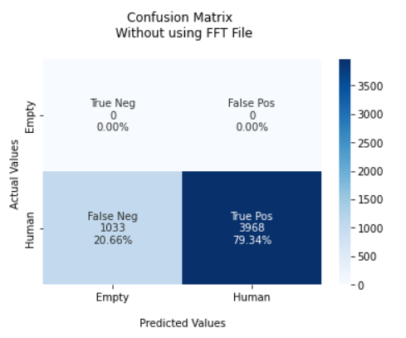
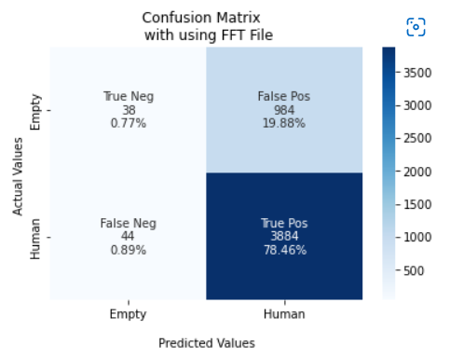

 |  |  |  | F1 Score = 0.88 |  | F1 Score = 0.79
 |  |  |  | TPR: [ nan 0.79344131] |  | TPR: [0.037182 0.98879837]
 |  |  |  | TNR: [0.79344131 nan] |  | TNR: [0.98879837 0.037182 ]
 |  |  |  | PPV: [0. 1.] |  | PPV: [0.46341463 0.7978636 ]
 |  |  |  | NPV: [1. 0.] |  | NPV: [0.7978636 0.46341463]
 |  |  |  | FPR: [20.65586883 nan] |  | FPR: [ 1.12016293 96.28180039]
 |  |  |  | FNR: [ nan 20.65586883] |  | FNR: [96.28180039 1.12016293]
 |  |  |  | FDR: [1. 0.] |  | FDR: [0.53658537 0.2021364 ]
 |  |  |  | ACC: [0.79] |  | ACC: [0.78]

 |  |  | Usecase:- No Movement X = 80 and Y = 3000 |  | Usecase:- No Movement X = 80 and Y = 3000

 |  |  |  | Confusion Matrix without FFT Data |  | Confusion Matrix with FFT Data
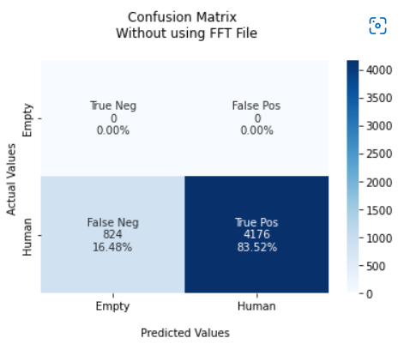


 |  |  |  | F1 Score = 0.91 |  | F1 Score = 0.75
 |  |  |  | TPR: [ nan 0.8352] |  | TPR: [0.03658537 0.99061265]
 |  |  |  | TNR: [0.8352 nan] |  | TNR: [0.99061265 0.03658537]
 |  |  |  | PPV: [0. 1.] |  | PPV: [0.46478873 0.82188973]
 |  |  |  | NPV: [1. 0.] |  | NPV: [0.82188973 0.46478873]
 |  |  |  | FPR: [16.48 nan] |  | FPR: [ 0.93873518 96.34146341]
 |  |  |  | FNR: [ nan 16.48] |  | FNR: [96.34146341 0.93873518]
 |  |  |  | FDR: [1. 0.] |  | FDR: [0.53521127 0.17811027]
 |  |  |  | ACC: [0.84] |  | ACC: [0.82]

 |  |  | Usecase:- No Movement X = 80 and Y = 5000 |  | Usecase:- No Movement X = 80 and Y = 5000

 |  |  |  | Confusion Matrix without FFT Data |  | Confusion Matrix with FFT Data
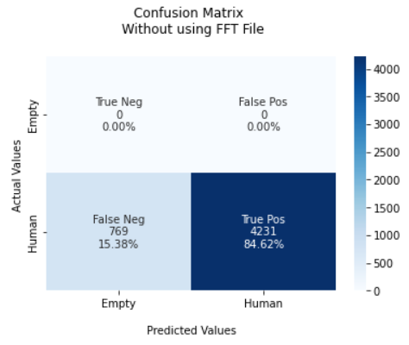
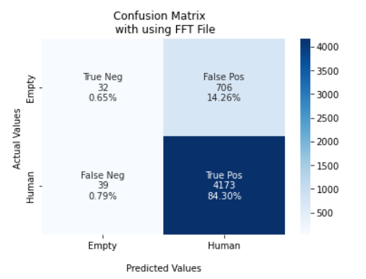

 |  |  |  | F1 Score = 0.93 |  | F1 Score = 0.79
 |  |  |  | TPR: [ nan 0.8462] |  | TPR: [0.04336043 0.99074074]
 |  |  |  | TNR: [0.8462 nan] |  | TNR: [0.99074074 0.04336043]
 |  |  |  | PPV: [0. 1.] |  | PPV: [0.45070423 0.85529822]
 |  |  |  | NPV: [1. 0.] |  | NPV: [0.85529822 0.45070423]
 |  |  |  | FPR: [15.38 nan] |  | FPR: [ 0.92592593 95.66395664]
 |  |  |  | FNR: [ nan 15.38] |  | FNR: [95.66395664 0.92592593]
 |  |  |  | FDR: [1. 0.] |  | FDR: [0.54929577 0.14470178]
 |  |  |  | ACC: [0.85] |  | ACC: [0.85]

 |  |  | Usecase:- No Movement X = 80 and Y = 7000 |  | Usecase:- No Movement X = 80 and Y = 7000

 |  |  |  | Confusion Matrix without FFT Data |  | Confusion Matrix with FFT Data
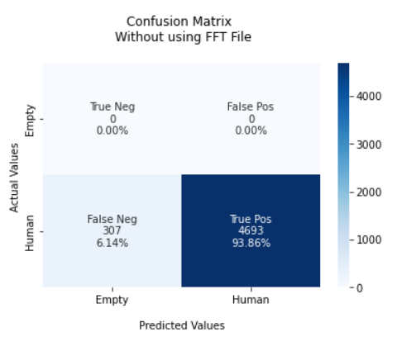


 |  |  |  | F1 Score = 0.97 |  | F1 Score = 0.91
 |  |  |  | TPR: [ nan 0.9386] |  | TPR: [0. 1.]
 |  |  |  | TNR: [0.9386 nan] |  | TNR: [1. 0.]
 |  |  |  | PPV: [0. 1.] |  | PPV: [ nan 0.93919192]
 |  |  |  | NPV: [1. 0.] |  | NPV: [0.93919192 nan]
 |  |  |  | FPR: [6.14 nan] |  | FPR: [ 0. 100.]
 |  |  |  | FNR: [ nan 6.14] |  | FNR: [100. 0.]
 |  |  |  | FDR: [1. 0.] |  | FDR: [ nan 0.06080808]
 |  |  |  | ACC: [0.94 ] |  | ACC: [0.94]

 |  |  | Usecase:- No Movement X = 80 and Y = 9000 |  | Usecase:- No Movement X = 80 and Y = 9000

 |  |  |  | Confusion Matrix without FFT Data |  | Confusion Matrix with FFT Data
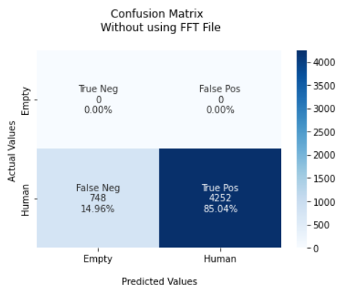
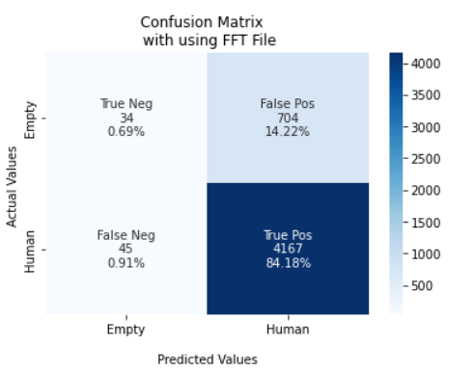

 |  |  |  | F1 Score = 0.92 |  | F1 Score = 0.79
 |  |  |  | TPR: [ nan 0.8504] |  | TPR: [0.04607046 0.98931624]
 |  |  |  | TNR: [0.8504 nan] |  | TNR: [0.98931624 0.04607046]
 |  |  |  | PPV: [0. 1.] |  | PPV: [0.43037975 0.85547116]
 |  |  |  | NPV: [1. 0.] |  | NPV: [0.85547116 0.43037975]
 |  |  |  | FPR: [14.96 nan] |  | FPR: [ 1.06837607 95.39295393]
 |  |  |  | FNR: [ nan 14.96] |  | FNR: [95.39295393 1.06837607]
 |  |  |  | FDR: [1. 0.] |  | FDR: [0.56962025 0.14452884]
 |  |  |  | ACC: [0.85] |  | ACC: [0.85]

 |  |  | Usecase:- No Movement X = 80 and Y = 11000 |  | Usecase:- No Movement X = 80 and Y = 11000

 |  |  |  | Confusion Matrix without FFT Data |  | Confusion Matrix with FFT Data
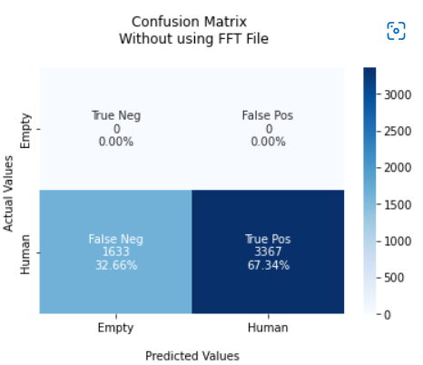


 |  |  |  | F1 Score = 0.80 |  | F1 Score = 0.64
 |  |  |  | TPR: [ nan 0.6734] |  | TPR: [0.19370979 0.85722332]
 |  |  |  | TNR: [0.6734 nan] |  | TNR: [0.85722332 0.19370979]
 |  |  |  | PPV: [0. 1.] |  | PPV: [0.34832905 0.72962608]
 |  |  |  | NPV: [1. 0.] |  | NPV: [0.72962608 0.34832905]
 |  |  |  | FPR: [32.66 nan] |  | FPR: [14.27766826 80.62902073]
 |  |  |  | FNR: [ nan 32.66] |  | FNR: [80.62902073 14.27766826]
 |  |  |  | FDR: [1. 0.] |  | FDR: [0.65167095 0.27037392]
 |  |  |  | ACC: [0.67] |  | ACC: [0.67]

 |  |  | Usecase:- No Movement X = 80 and Y = 13000 |  | Usecase:- No Movement X = 80 and Y = 13000

 |  |  |  | Confusion Matrix without FFT Data |  | Confusion Matrix with FFT Data
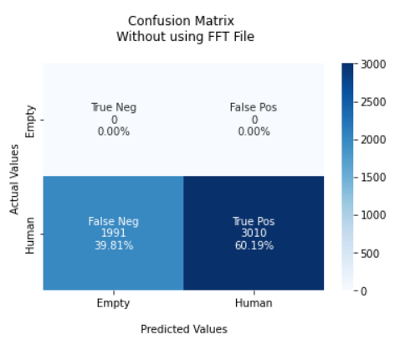
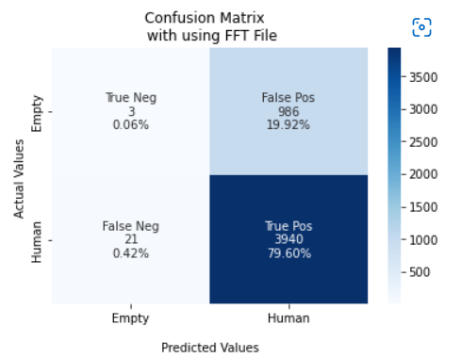

 |  |  |  | F1 Score = 0.75 |  | F1 Score = 0.71
 |  |  |  | TPR: [ nan 0.60187962] |  | TPR: [0.00303337 0.99469831]
 |  |  |  | TNR: [0.60187962 nan] |  | TNR: [0.99469831 0.00303337]
 |  |  |  | PPV: [0. 1.] |  | PPV: [0.125 0.7998376]
 |  |  |  | NPV: [1. 0.] |  | NPV: [0.7998376 0.125 ]
 |  |  |  | FPR: [39.81203759 nan] |  | FPR: [ 0.53016915 99.6966633 ]
 |  |  |  | FNR: [ nan 39.81203759] |  | FNR: [99.6966633 0.53016915]
 |  |  |  | FDR: [1. 0.] |  | FDR: [0.875 0.2001624]
 |  |  |  | ACC: [0.60] |  | ACC: [0.80]

 |  |  | Usecase:- No Movement X = 80 and Y = 10000 |  | Usecase:- No Movement X = 80 and Y = 10000

 |  |  |  | Confusion Matrix without FFT Data |  | Confusion Matrix with FFT Data
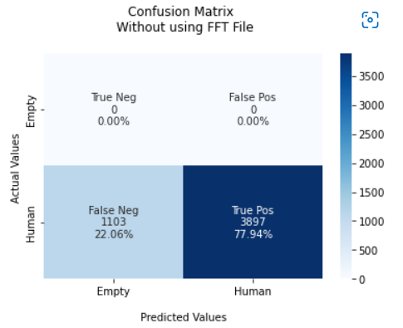
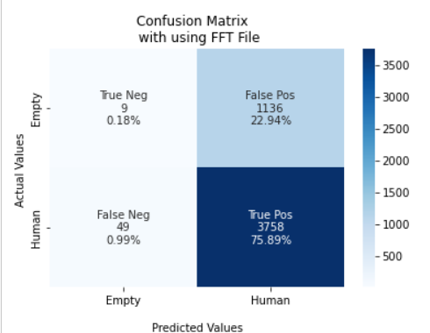

 |  |  |  | F1 Score = 0.88 |  | F1 Score = 0.67
 |  |  |  | TPR: [ nan 0.7794] |  | TPR: [0.00786026 0.98712897]
 |  |  |  | TNR: [0.7794 nan] |  | TNR: [0.98712897 0.00786026]
 |  |  |  | PPV: [0. 1.] |  | PPV: [0.15517241 0.76787904]
 |  |  |  | NPV: [1. 0.] |  | NPV: [0.76787904 0.15517241]
 |  |  |  | FPR: [22.06 nan] |  | FPR: [ 1.28710271 99.2139738 ]
 |  |  |  | FNR: [ nan 22.06] |  | FNR: [99.2139738 1.28710271]
 |  |  |  | FDR: [1. 0.] |  | FDR: [0.84482759 0.23212096]
 |  |  |  | ACC: [0.78] |  | ACC: [0.76]

 |  |  | Usecase:- No Movement X = 100 and Y = 10000 |  | Usecase:- No Movement X = 100 and Y = 10000

 |  |  |  | Confusion Matrix without FFT Data |  | Confusion Matrix with FFT Data
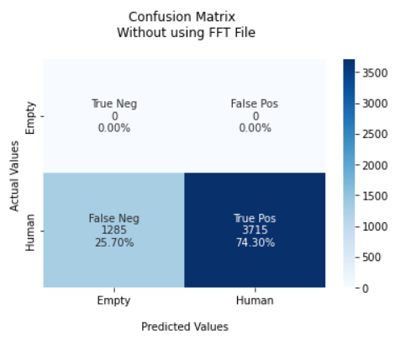
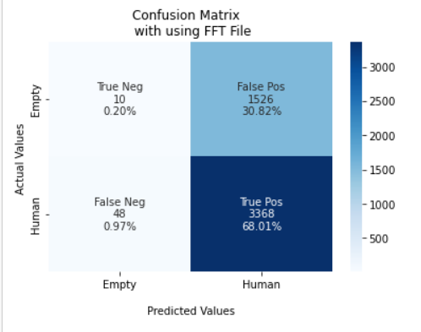

 |  |  |  | F1 Score = 0.85 |  | F1 Score = 0.78
 |  |  |  | TPR: [ nan 0.743] |  | TPR: [0.43043933 0.76711491]
 |  |  |  | TNR: [0.743 nan] |  | TNR: [0.76711491 0.43043933]
 |  |  |  | PPV: [0. 1.] |  | PPV: [0.5192429 0.69741595]
 |  |  |  | NPV: [1. 0.] |  | NPV: [0.69741595 0.5192429 ]
 |  |  |  | FPR: [25.7 nan] |  | FPR: [23.28850856 56.95606695]
 |  |  |  | FNR: [ nan 25.7] |  | FNR: [56.95606695 23.28850856]
 |  |  |  | FDR: [1. 0.] |  | FDR: [0.4807571 0.30258405]
 |  |  |  | ACC: [0.74] |  | ACC: [0.68]

 |  |  | Usecase:- No Movement X = 120 and Y = 10000 |  | Usecase:- No Movement X = 120 and Y = 10000

 |  |  |  | Confusion Matrix without FFT Data |  | Confusion Matrix with FFT Data
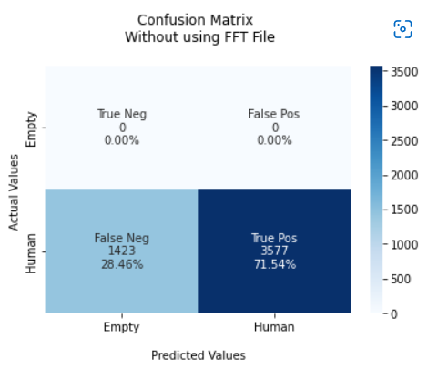
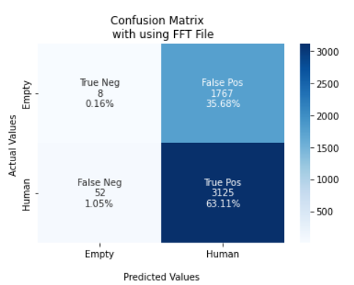

 |  |  |  | F1 Score = 0.83 |  | F1 Score = 0.77
 |  |  |  | TPR: [ nan 0.7154] |  | TPR: [0.00450704 0.98363236]
 |  |  |  | TNR: [0.7154 nan] |  | TNR: [0.98363236 0.00450704]
 |  |  |  | PPV: [0. 1.] |  | PPV: [0.13333333 0.63879804]
 |  |  |  | NPV: [1. 0.] |  | NPV: [0.63879804 0.13333333]
 |  |  |  | FPR: [28.46 nan] |  | FPR: [ 1.63676424 99.54929577]
 |  |  |  | FNR: [ nan 28.46] |  | FNR: [99.54929577 1.63676424]
 |  |  |  | FDR: [1. 0.] |  | FDR: [0.86666667 0.36120196]
 |  |  |  | ACC: [0.72] |  | ACC: [0.63]

 |  |  | Usecase:- No Movement X = 140 and Y = 10000 |  | Usecase:- No Movement X = 140 and Y = 10000

 |  |  |  | Confusion Matrix without FFT Data |  | Confusion Matrix with FFT Data
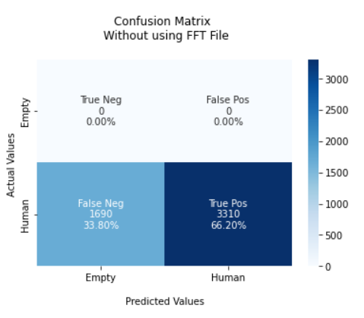


 |  |  |  | F1 Score = 0.80 |  | F1 Score = 0.73
 |  |  |  | TPR: [ nan 0.662] |  | TPR: [0.00328228 0.99355798]
 |  |  |  | TNR: [0.662 nan] |  | TNR: [0.99355798 0.00328228]
 |  |  |  | PPV: [0. 1.] |  | PPV: [0.10344828 0.81487503]
 |  |  |  | NPV: [1. 0.] |  | NPV: [0.81487503 0.10344828]
 |  |  |  | FPR: [33.8 nan] |  | FPR: [ 0.64420218 99.67177243]
 |  |  |  | FNR: [ nan 33.8] |  | FNR: [99.67177243 0.64420218]
 |  |  |  | FDR: [1. 0.] |  | FDR: [0.89655172 0.18512497]
 |  |  |  | ACC: [0.66] |  | ACC: [0.81]

 |  |  | Usecase:- No Movement X = 160 and Y = 10000 |  | Usecase:- No Movement X = 160 and Y = 10000

 |  |  |  | Confusion Matrix without FFT Data |  | Confusion Matrix with FFT Data
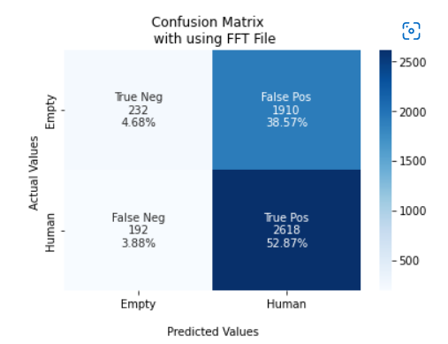
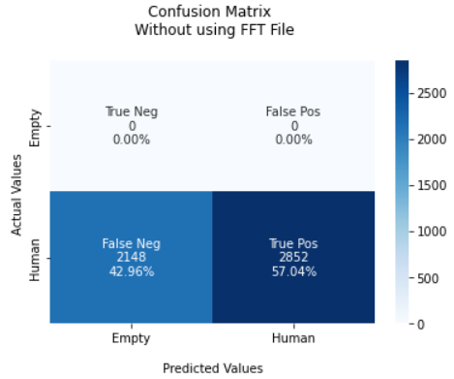

 |  |  |  | F1 Score = 0.73 |  | F1 Score = 0.71
 |  |  |  | TPR: [ nan 0.5704] |  | TPR: [0.10830999 0.9316726 ]
 |  |  |  | TNR: [0.5704 nan] |  | TNR: [0.9316726 0.10830999]
 |  |  |  | PPV: [0. 1.] |  | PPV: [0.54716981 0.57818021]
 |  |  |  | NPV: [1. 0.] |  | NPV: [0.57818021 0.54716981]
 |  |  |  | FPR: [42.96 nan] |  | FPR: [ 6.83274021 89.16900093]
 |  |  |  | FNR: [ nan 42.96] |  | FNR: [89.16900093 6.83274021]
 |  |  |  | FDR: [1. 0.] |  | FDR: [0.45283019 0.42181979]
 |  |  |  | ACC: [0.57] |  | ACC: [0.59]

 |  |  | Usecase:- No Movement X = 180 and Y = 10000 |  | Usecase:- No Movement X = 180 and Y = 10000

 |  |  |  | Confusion Matrix without FFT Data |  | Confusion Matrix with FFT Data
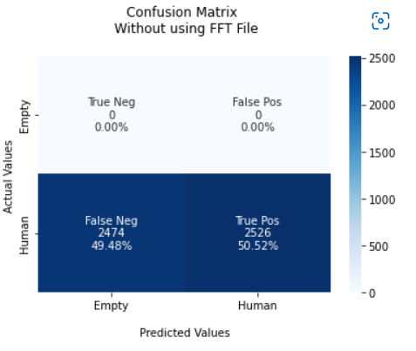
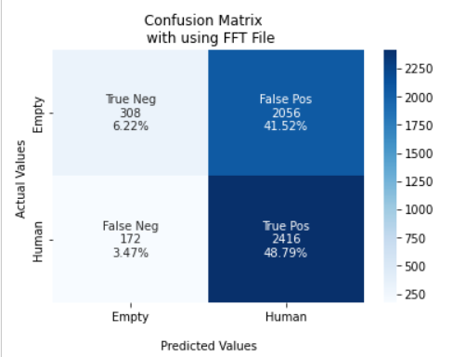

 |  |  |  | F1 Score = 0.67 |  | F1 Score = 0.61
 |  |  |  | TPR: [ nan 0.5052] |  | TPR: [0.13028765 0.93353941]
 |  |  |  | TNR: [0.5052 nan] |  | TNR: [0.93353941 0.13028765]
 |  |  |  | PPV: [0. 1.] |  | PPV: [0.64166667 0.54025045]
 |  |  |  | NPV: [1. 0.] |  | NPV: [0.54025045 0.64166667]
 |  |  |  | FPR: [49.48 nan] |  | FPR: [ 6.64605873 86.97123519]
 |  |  |  | FNR: [ nan 49.48] |  | FNR: [86.97123519 6.64605873]
 |  |  |  | FDR: [1. 0.] |  | FDR: [0.35833333 0.45974955]
 |  |  |  | ACC: [0.51] |  | ACC: [0.55]

 |  |  | Usecase:- No Movement X = 200 and Y = 10000 |  | Usecase:- No Movement X = 200 and Y = 10000

 |  |  |  | Confusion Matrix without FFT Data |  | Confusion Matrix with FFT Data
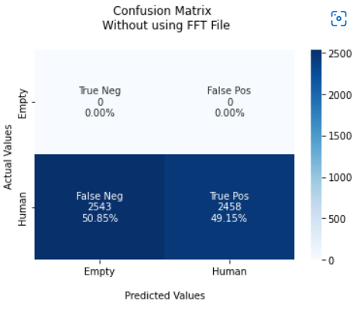
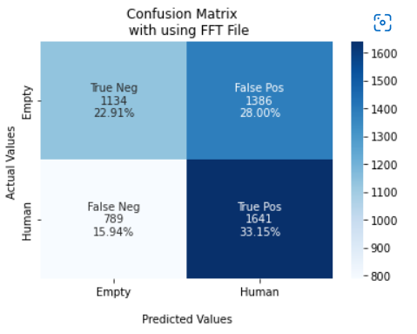

 |  |  |  | F1 Score = 0.66 |  | F1 Score = 0.56
 |  |  |  | TPR: [ nan 0.4915017] |  | TPR: [0.45 0.67530864]
 |  |  |  | TNR: [0.4915017 nan] |  | TNR: [0.67530864 0.45 ]
 |  |  |  | PPV: [0. 1.] |  | PPV: [0.58970359 0.54212091]
 |  |  |  | NPV: [1. 0.] |  | NPV: [0.54212091 0.58970359]
 |  |  |  | FPR: [50.84983003 nan] |  | FPR: [32.4691358 55. ]
 |  |  |  | FNR: [ nan 50.84983003] |  | FNR: [55. 32.4691358]
 |  |  |  | FDR: [1. 0.] |  | FDR: [0.41029641 0.45787909]
 |  |  |  | ACC: [0.49] |  | ACC: [0.58]

Movement
Confusion Matrix for Only "Movement" Use Case

Usecase:- Summer Wear Movement without FFT
Usecase:- without FFT Data | F1_score | Accuracy
X = 80 and Y = 1000 | 0.51 | 48%
X = 80 and Y = 3000 | 0.77 | 63%
X = 80 and Y = 5000 | 0.79 | 62%
X = 80 and Y = 7000 | 0.8 | 65%
X = 80 and Y = 9000 | 0.71 | 48%
X = 80 and Y = 11000 | 0.64 | 46%
X = 80 and Y = 13000 | 0.62 | 41%
X = 80 and Y = 10000 | 0.93 | 86%
X = 100 and Y = 10000 | 0.8 | 67%
X = 120 and Y = 10000 | 0.76 | 61%
X = 140 and Y = 10000 | 0.7 | 54%
X = 160 and Y = 10000 | 0.66 | 49%
X = 180 and Y = 10000 | 0.61 | 44%
X = 200 and Y = 10000 | 0.51 | 39%

Usecase:- Summer Wear Movement with FFT

Usecase:- with FFT Data | F1_score | Accuracy
X = 80 and Y = 1000 | 0.68 | 68%
X = 80 and Y = 3000 | 0.65 | 65%
X = 80 and Y = 5000 | 0.69 | 61%
X = 80 and Y = 7000 | 0.7 | 62%
X = 80 and Y = 9000 | 0.68 | 68%
X = 80 and Y = 11000 | 0.65 | 63%
X = 80 and Y = 13000 | 0.6 | 64%
X = 80 and Y = 10000 | 0.86 | 77%
X = 100 and Y = 10000 | 0.73 | 64%
X = 120 and Y = 10000 | 0.67 | 58%
X = 140 and Y = 10000 | 0.61 | 58%
X = 160 and Y = 10000 | 0.58 | 59%
X = 180 and Y = 10000 | 0.56 | 60%
X = 200 and Y = 10000 | 0.61 | 68%

 |  |  | Usecase:- Movement X = 80 and Y = 1000 |  | Usecase:- Movement X = 80 and Y = 1000

 |  |  |  | Confusion Matrix without FFT Data |  | Confusion Matrix with FFT Data
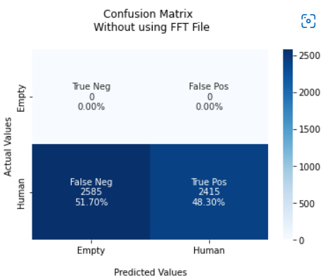
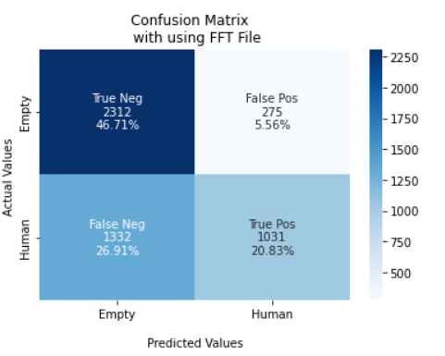

 |  |  |  | F1 Score = 0.51 |  | F1 Score = 0.68
 |  |  |  | TPR: [ nan 0.483] |  | TPR: [0.89369927 0.43630978]
 |  |  |  | TNR: [0.483 nan] |  | TNR: [0.43630978 0.89369927]
 |  |  |  | PPV: [0. 1.] |  | PPV: [0.63446762 0.78943338]
 |  |  |  | NPV: [1. 0.] |  | NPV: [0.78943338 0.63446762]
 |  |  |  | FPR: [51.7 nan] |  | FPR: [56.36902243 10.63007344]
 |  |  |  | FNR: [ nan 51.7] |  | FNR: [10.63007344 56.36902243]
 |  |  |  | FDR: [1. 0.] |  | FDR: [0.36553238 0.21056662]
 |  |  |  | ACC: [0.48] |  | ACC: [0.68]

 |  |  | Usecase:- Movement X = 80 and Y = 3000 |  | Usecase:- Movement X = 80 and Y = 3000

 |  |  |  | Confusion Matrix without FFT Data |  | Confusion Matrix with FFT Data
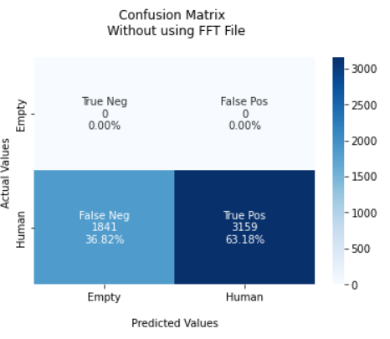
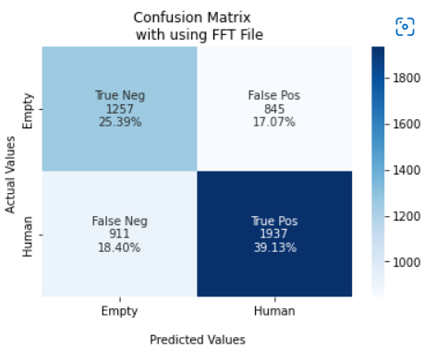

 |  |  |  | F1 Score = 0.77 |  | F1 Score = 0.65
 |  |  |  | TPR: [ nan 0.6318] |  | TPR: [0.5980019 0.6801264]
 |  |  |  | TNR: [0.6318 nan] |  | TNR: [0.6801264 0.5980019]
 |  |  |  | PPV: [0. 1.] |  | PPV: [0.57979705 0.69626168]
 |  |  |  | NPV: [1. 0.] |  | NPV: [0.69626168 0.57979705]
 |  |  |  | FPR: [36.82 nan] |  | FPR: [31.98735955 40.19980971]
 |  |  |  | FNR: [ nan 36.82] |  | FNR: [40.19980971 31.98735955]
 |  |  |  | FDR: [1. 0.] |  | FDR: [0.42020295 0.30373832]
 |  |  |  | ACC: [0.6318 0.6318] |  | ACC: [0.65]

 |  |  | Usecase:- Movement X = 80 and Y = 5000 |  | Usecase:- Movement X = 80 and Y = 5000

 |  |  |  | Confusion Matrix without FFT Data |  | Confusion Matrix with FFT Data
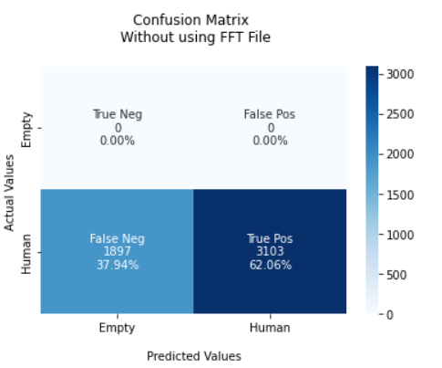
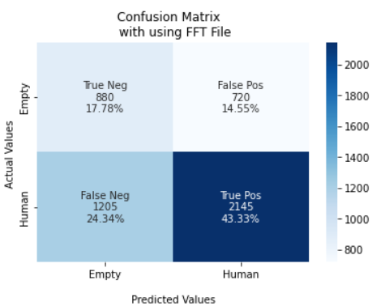

 |  |  |  | F1 Score = 0.79 |  | F1 Score = 0.69
 |  |  |  | TPR: [ nan 0.6206] |  | TPR: [0.55 0.64029851]
 |  |  |  | TNR: [0.6206 nan] |  | TNR: [0.64029851 0.55 ]
 |  |  |  | PPV: [0. 1.] |  | PPV: [0.42206235 0.7486911 ]
 |  |  |  | NPV: [1. 0.] |  | NPV: [0.7486911 0.42206235]
 |  |  |  | FPR: [37.94 nan] |  | FPR: [35.97014925 45 ]
 |  |  |  | FNR: [ nan 37.94] |  | FNR: [45 35.97014925]
 |  |  |  | FDR: [1. 0.] |  | FDR: [0.57793765 0.2513089 ]
 |  |  |  | ACC: [0.62] |  | ACC: [0.61]

 |  |  | Usecase:- Movement X = 80 and Y = 7000 |  | Usecase:- Movement X = 80 and Y = 7000

 |  |  |  | Confusion Matrix without FFT Data |  | Confusion Matrix with FFT Data
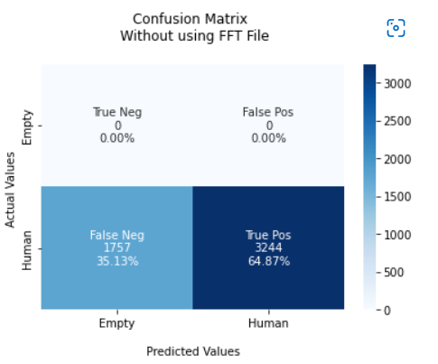
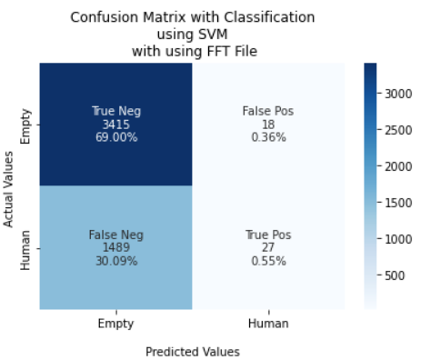

 |  |  |  | F1 Score = 0.80 |  | F1 Score = 0.70
 |  |  |  | TPR: [ nan 0.64867027] |  | TPR: [0.56196156 0.64051148]
 |  |  |  | TNR: [0.64867027 nan] |  | TNR: [0.64051148 0.56196156]
 |  |  |  | PPV: [0. 1.] |  | PPV: [0.40671463 0.76928447]
 |  |  |  | NPV: [1. 0.] |  | NPV: [0.76928447 0.40671463]
 |  |  |  | FPR: [35.13297341 nan] |  | FPR: [35.94885208 43.80384361]
 |  |  |  | FNR: [ nan 35.13297341] |  | FNR: [43.80384361 35.94885208]
 |  |  |  | FDR: [1. 0.] |  | FDR: [0.59328537 0.23071553]
 |  |  |  | ACC: [0.65 ] |  | ACC: [0.62]

 |  |  | Usecase:- Movement X = 80 and Y = 9000 |  | Usecase:- Movement X = 80 and Y = 9000

 |  |  |  | Confusion Matrix without FFT Data |  | Confusion Matrix with FFT Data
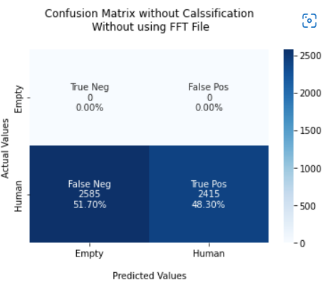
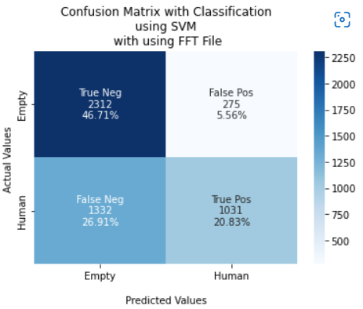

 |  |  |  | F1 Score = 0.51 |  | F1 Score = 0.68
 |  |  |  | TPR: [ nan 0.483] |  | TPR: [0.89369927 0.43630978]
 |  |  |  | TNR: [0.483 nan] |  | TNR: [0.43630978 0.89369927]
 |  |  |  | PPV: [0. 1.] |  | PPV: [0.63446762 0.78943338]
 |  |  |  | NPV: [1. 0.] |  | NPV: [0.78943338 0.63446762]
 |  |  |  | FPR: [51.7 nan] |  | FPR: [56.36902243 10.63007344]
 |  |  |  | FNR: [ nan 51.7] |  | FNR: [10.63007344 56.36902243]
 |  |  |  | FDR: [1. 0.] |  | FDR: [0.36553238 0.21056662]
 |  |  |  | ACC: [0.48] |  | ACC: [0.68]

 |  |  | Usecase:- Movement X = 80 and Y = 11000 |  | Usecase:- Movement X = 80 and Y = 11000

 |  |  |  | Confusion Matrix without FFT Data |  | Confusion Matrix with FFT Data
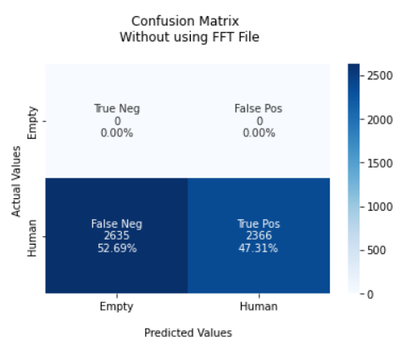
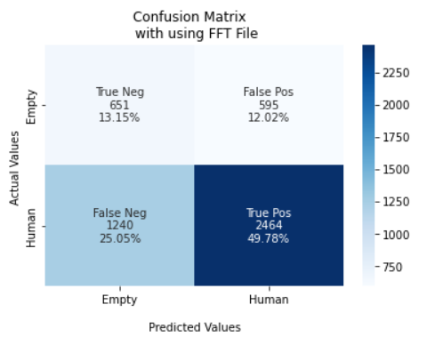

 |  |  |  | F1 Score = 0.64 |  | F1 Score = 0.65
 |  |  |  | TPR: [ nan 0.47310538] |  | TPR: [0.52247191 0.66522678]
 |  |  |  | TNR: [0.47310538 nan] |  | TNR: [0.66522678 0.52247191]
 |  |  |  | PPV: [0. 1.] |  | PPV: [0.3442623 0.80549199]
 |  |  |  | NPV: [1. 0.] |  | NPV: [0.80549199 0.3442623 ]
 |  |  |  | FPR: [52.68946211 nan] |  | FPR: [33.47732181 47.75280899]
 |  |  |  | FNR: [ nan 52.68946211] |  | FNR: [47.75280899 33.47732181]
 |  |  |  | FDR: [1. 0.] |  | FDR: [0.6557377 0.19450801]
 |  |  |  | ACC: [0.46] |  | ACC: [0.63]

 |  |  | Usecase:- Movement X = 80 and Y = 13000 |  | Usecase:- Movement X = 80 and Y = 13000

 |  |  |  | Confusion Matrix without FFT Data |  | Confusion Matrix with FFT Data
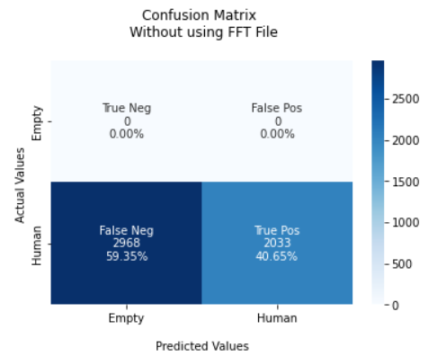
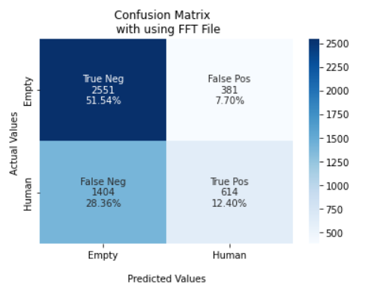

 |  |  |  | F1 Score = 0.58 |  | F1 Score = 0.60
 |  |  |  | TPR: [ nan 0.4065187] |  | TPR: [0.87005457 0.30426165]
 |  |  |  | TNR: [0.4065187 nan] |  | TNR: [0.30426165 0.87005457]
 |  |  |  | PPV: [0. 1.] |  | PPV: [0.64500632 0.61708543]
 |  |  |  | NPV: [1. 0.] |  | NPV: [0.61708543 0.64500632]
 |  |  |  | FPR: [59.34813037 nan] |  | FPR: [69.57383548 12.99454297]
 |  |  |  | FNR: [ nan 59.34813037] |  | FNR: [12.99454297 69.57383548]
 |  |  |  | FDR: [1. 0.] |  | FDR: [0.35499368 0.38291457]
 |  |  |  | ACC: [0.41] |  | ACC: [0.64]

 |  |  | Usecase:- Movement X = 80 and Y = 10000 |  | Usecase:- Movement X = 80 and Y = 10000

 |  |  |  | Confusion Matrix without FFT Data |  | Confusion Matrix with FFT Data
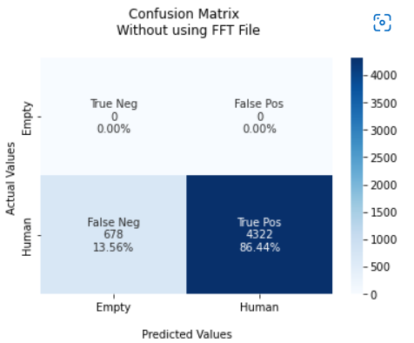


 |  |  |  | F1 Score = 0.93 |  | F1 Score = 0.86
 |  |  |  | TPR: [ nan 0.8644] |  | TPR: [0.1626506 0.97899378]
 |  |  |  | TNR: [0.8644 nan] |  | TNR: [0.97899378 0.1626506 ]
 |  |  |  | PPV: [0. 1.] |  | PPV: [0.72727273 0.77245754]
 |  |  |  | NPV: [1. 0.] |  | NPV: [0.77245754 0.72727273]
 |  |  |  | FPR: [13.56 nan] |  | FPR: [ 2.10062241 83.73493976]
 |  |  |  | FNR: [ nan 13.56] |  | FNR: [83.73493976 2.10062241]
 |  |  |  | FDR: [1. 0.] |  | FDR: [0.27272727 0.22754246]
 |  |  |  | ACC: [0.86] |  | ACC: [0.77]

 |  |  | Usecase:- Movement X = 100 and Y = 10000 |  | Usecase:- Movement X = 100 and Y = 10000

 |  |  |  | Confusion Matrix without FFT Data |  | Confusion Matrix with FFT Data
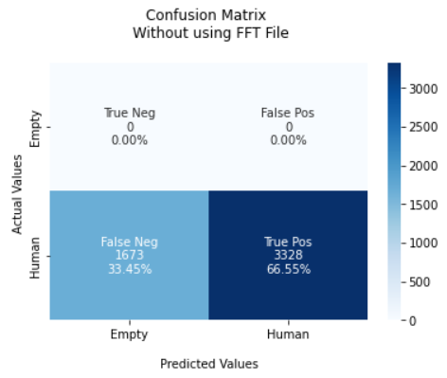
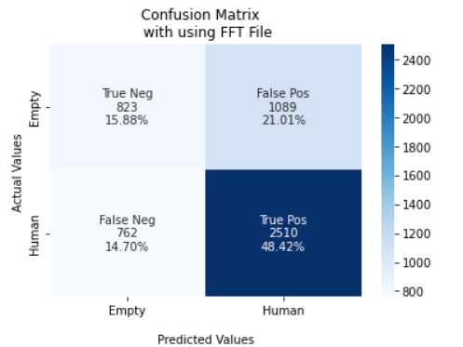

 |  |  |  | F1 Score = 0.80 |  | F1 Score = 0.73
 |  |  |  | TPR: [ nan 0.66546691] |  | TPR: [0.43043933 0.76711491]
 |  |  |  | TNR: [0.66546691 nan] |  | TNR: [0.76711491 0.43043933]
 |  |  |  | PPV: [0. 1.] |  | PPV: [0.5192429 0.69741595]
 |  |  |  | NPV: [1. 0.] |  | NPV: [0.69741595 0.5192429 ]
 |  |  |  | FPR: [33.45330934 nan] |  | FPR: [23.28850856 56.95606695]
 |  |  |  | FNR: [ nan 33.45330934] |  | FNR: [56.95606695 23.28850856]
 |  |  |  | FDR: [1. 0.] |  | FDR: [0.4807571 0.30258405]
 |  |  |  | ACC: [0.67] |  | ACC: [0.64]

 |  |  | Usecase:- Movement X = 120 and Y = 10000 |  | Usecase:- Movement X = 120 and Y = 10000

 |  |  |  | Confusion Matrix without FFT Data |  | Confusion Matrix with FFT Data
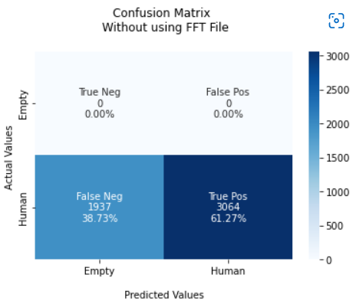
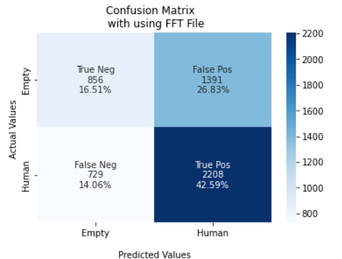

 |  |  |  | F1 Score = 0.76 |  | F1 Score = 0.67
 |  |  |  | TPR: [ nan 0.61267746] |  | TPR: [0.38095238 0.75178754]
 |  |  |  | TNR: [0.61267746 nan] |  | TNR: [0.75178754 0.38095238]
 |  |  |  | PPV: [0. 1.] |  | PPV: [0.54006309 0.61350375]
 |  |  |  | NPV: [1. 0.] |  | NPV: [0.61350375 0.54006309]
 |  |  |  | FPR: [38.73225355 nan] |  | FPR: [24.82124617 61.9047619 ]
 |  |  |  | FNR: [ nan 38.73225355] |  | FNR: [61.9047619 24.82124617]
 |  |  |  | FDR: [1. 0.] |  | FDR: [0.45993691 0.38649625]
 |  |  |  | ACC: [0.61] |  | ACC: [0.58]

 |  |  | Usecase:- Movement X = 140 and Y = 10000 |  | Usecase:- Movement X = 140 and Y = 10000

 |  |  |  | Confusion Matrix without FFT Data |  | Confusion Matrix with FFT Data
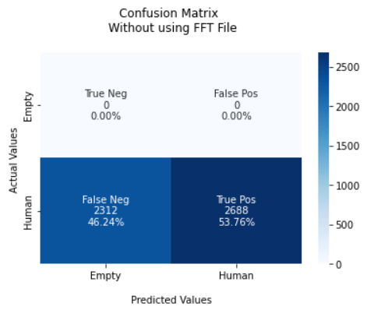
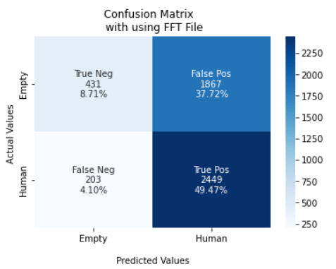

 |  |  |  | F1 Score = 0.70 |  | F1 Score = 0.61
 |  |  |  | TPR: [ nan 0.5376] |  | TPR: [0.1875544 0.923454 ]
 |  |  |  | TNR: [0.5376 nan] |  | TNR: [0.923454 0.1875544]
 |  |  |  | PPV: [0. 1.] |  | PPV: [0.67981073 0.56742354]
 |  |  |  | NPV: [1. 0.] |  | NPV: [0.56742354 0.67981073]
 |  |  |  | FPR: [46.24 nan] |  | FPR: [ 7.6546003 81.24456049]
 |  |  |  | FNR: [ nan 46.24] |  | FNR: [81.24456049 7.6546003 ]
 |  |  |  | FDR: [1. 0.] |  | FDR: [0.32018927 0.43257646]
 |  |  |  | ACC: [0.54] |  | ACC: [0.58]

 |  |  | Usecase:- Movement X = 160 and Y = 10000 |  | Usecase:- Movement X = 160 and Y = 10000

 |  |  |  | Confusion Matrix without FFT Data |  | Confusion Matrix with FFT Data
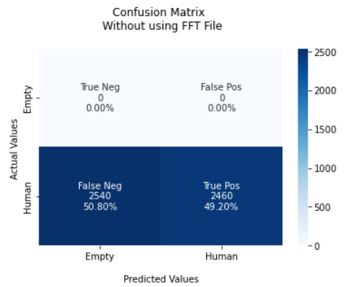
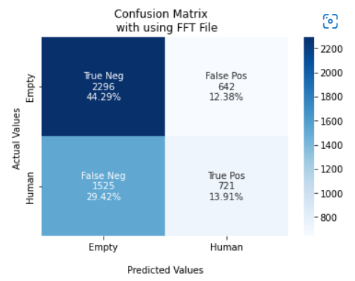

 |  |  |  | F1 Score = 0.66 |  | F1 Score = 0.58
 |  |  |  | TPR: [ nan 0.492] |  | TPR: [0.781484 0.32101514]
 |  |  |  | TNR: [0.492 nan] |  | TNR: [0.32101514 0.781484 ]
 |  |  |  | PPV: [0. 1.] |  | PPV: [0.60088982 0.52898019]
 |  |  |  | NPV: [1. 0.] |  | NPV: [0.52898019 0.60088982]
 |  |  |  | FPR: [50.8 nan] |  | FPR: [67.8984862 21.85159973]
 |  |  |  | FNR: [ nan 50.8] |  | FNR: [21.85159973 67.8984862 ]
 |  |  |  | FDR: [1. 0.] |  | FDR: [0.39911018 0.47101981]
 |  |  |  | ACC: [0.49] |  | ACC: [0.59]

 |  |  | Usecase:- Movement X = 180 and Y = 10000 |  | Usecase:- Movement X = 180 and Y = 10000

 |  |  |  | Confusion Matrix without FFT Data |  | Confusion Matrix with FFT Data
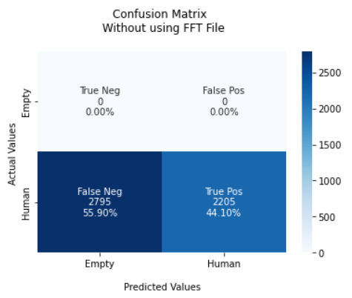
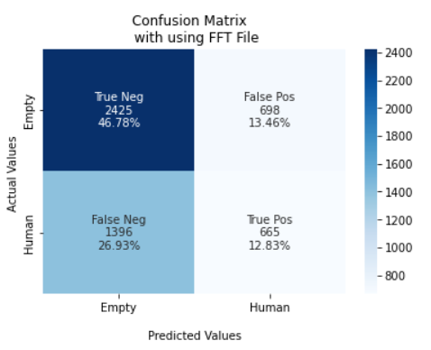

 |  |  |  | F1 Score = 0.61 |  | F1 Score = 0.56
 |  |  |  | TPR: [ nan 0.441] |  | TPR: [0.77649696 0.3226589 ]
 |  |  |  | TNR: [0.441 nan] |  | TNR: [0.3226589 0.77649696]
 |  |  |  | PPV: [0. 1.] |  | PPV: [0.63465062 0.48789435]
 |  |  |  | NPV: [1. 0.] |  | NPV: [0.48789435 0.63465062]
 |  |  |  | FPR: [55.9 nan] |  | FPR: [67.73410966 22.35030419]
 |  |  |  | FNR: [ nan 55.9] |  | FNR: [22.35030419 67.73410966]
 |  |  |  | FDR: [1. 0.] |  | FDR: [0.36534938 0.51210565]
 |  |  |  | ACC: [0.44] |  | ACC: [0.60]

 |  |  | Usecase:- Movement X = 200 and Y = 10000 |  | Usecase:- Movement X = 200 and Y = 10000

 |  |  |  | Confusion Matrix without FFT Data |  | Confusion Matrix with FFT Data
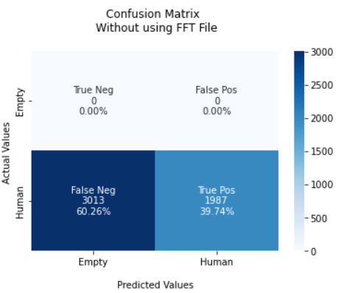


 |  |  |  | F1 Score = 0.51 |  | F1 Score = 0.61
 |  |  |  | TPR: [ nan 0.3974] |  | TPR: [0.85005032 0.43270696]
 |  |  |  | TNR: [0.3974 nan] |  | TNR: [0.43270696 0.85005032]
 |  |  |  | PPV: [0. 1.] |  | PPV: [0.69405642 0.65588915]
 |  |  |  | NPV: [1. 0.] |  | NPV: [0.65588915 0.69405642]
 |  |  |  | FPR: [60.26 nan] |  | FPR: [56.72930422 14.99496813]
 |  |  |  | FNR: [ nan 60.26] |  | FNR: [14.99496813 56.72930422]
 |  |  |  | FDR: [1. 0.] |  | FDR: [0.30594358 0.34411085]
 |  |  |  | ACC: [0.39] |  | ACC: [0.68]

